Step3
Properties
scope | Module
effectiveDate | 2009-01-01
startRequestDate | 2008-06-01

Step3-2. The priority of property values

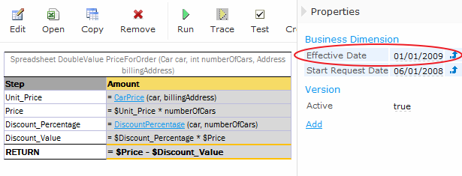

At the same time, in the table CarPrice this property is overriden:

